STEPS
1. Shape of footprint.
Bunds, slope, soil type, drainage, walls etc.
REFERENCE TABLE
REFERENCE TABLE
2. Area, number of people etc.

Incident frequency - F
Incident
Impact 1
Magnitude of pollutant 1
Size of footprint 1- E
Sensitivity of footprint 1- S
RISK 1
= FxExS
Impact 2

Impact ...

Failure rates, number of equip etc.
Litres, dB etc.

STEP 1 | Define 'incident'
STEP 2 | Determine frequency of incident (F)
STEP 3 | Define 'impact'
STEP 4 | Determine magnitude of impact, l, dB, etc. - could be distributed
STEP 5 | Define shape/size of footprint, m2, people, volume etc (E) - could be distributed
STEP 6 | Determine weighted average sensitivity of footprint (S) - using sensitivity table
STEP 7 | Determine RISK (FxExS)

 | Rainfall
 | Standard rainfall event = | 10mm
 | Big rainfall event = | 30mm
 | Hugh rainfall event =
 | Annual rainfall = | 1200mm

 | Transmisison cable trenches
 | Oil migration groundwater - sand (2,000L) = | 40m radius
 | Oil migration along trench - other (2,000L) = | 200m

 | Oil on dirt
 | 1000L = (10m)2 or 100 sqm
 | Oil on hard surface
 | 10L = (10m)2 or 100sqm
 | Oil on water
 | 10L = (10m)2 or 100sqm

 | Offensive noise = | 40dB ~40m from zn transformer

RISK ASSESSMENT
EGN 420: RELATIVE RISK MODEL - OIL FILLED EQUIPMENT
Version 14 - 9 May 2014
INSTRUCTIONS
1. Use this calculator to determine the risk to the nearest waterway of installing oil filled equipment at a certain location. If you have multiple location options you can complete the calculator for each option and rank the options accordingly. The option with the lowest risk is the preferred option.
2. Complete Step 1 by indicating the type of oil filled equipment you will be installing and the volume of oil to be stored in it.
3. Evaluate the location of the oil filled equipment you will be installing, locate the nearest waterway. Determine how many different types of areas are along the flow path between the location and the nearest waterway. There may only be one type of area along the flow path or there may be many. This calculator only allows for six different types of areas.
4. Complete Step 2 by filling in the criteria for each of the different areas along the flow path. Indicate the sensitivity of the nearest waterway. Refer to the 'RISK TOTAL'. This is the risk for installing the oil filled equipment at the calculated location.
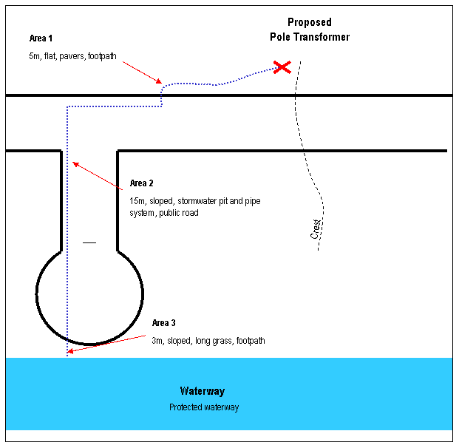

 | STEP 1 - Enter substation/transformer details
 | Oil Filled Equipment

 | Volume of oil stored | 400 | L

 | STEP 2 - Enter details of flow path to nearest downstream waterway
 | Discharge Path | Area 1 | Area 2 | Area 3 | Area 4 | Area 5 | Area 6
 | Length of area (downstream) (m) | 5 | 15 | 3 | 0 | 0 | 0
 | Slope
 | Additional storage capacity | 0 | 0 | 0 | 0 | 0 | 0
 | Flow path surface type
 | Sensitivity of flow path

 | Sensitivity of waterway

 | Oil leaving Substation | 20

 | Oil entering area A | 20 | 0 | 0 | 0 | 0 | 0 | 0
 | Holding capacity of area | 125 | 150 | 150 | 0 | 0 | 0
 | Oil left in area | 20 | 0 | 0 | 0 | 0 | 0
 | Oil leaving area | 0 | 0 | 0 | 0 | 0 | 0
 | Sensitivity score | 500 | 500 | 5 | 500 | 500 | 500

 | Risk due to oil in waterway | 0

 | RISK | 10000 | 0 | 0 | 0 | 0 | 0
 | RISK TOTAL | 10000

